cases
case_id | product_name | brand | price | buyer_name | buyer_account_id | buyer_account_active | buyer_account_age_days | buyer_past_cases | buyer_past_fraud_flags | seller_name | seller_account_id | seller_account_active | seller_account_age_days | seller_past_cases | seller_past_fraud_flags | shipped_by | tracking_number | ship_date | delivery_date | days_to_deliver | return_initiated_date | days_to_return | delivery_signature | before_image | after_image | notes
LX-2101 | Chanel Classic Flap Bag | Chanel | 8200 | Emma Laurent | ACC-001 | yes | 842 | 2 | 0 | Pierre Blanc | ACC-088 | yes | 1820 | 5 | 0 | FedEx | FX928374651 | 2026-03-01 | 2026-03-05 | 4 | 2026-03-08 | 3 | yes | 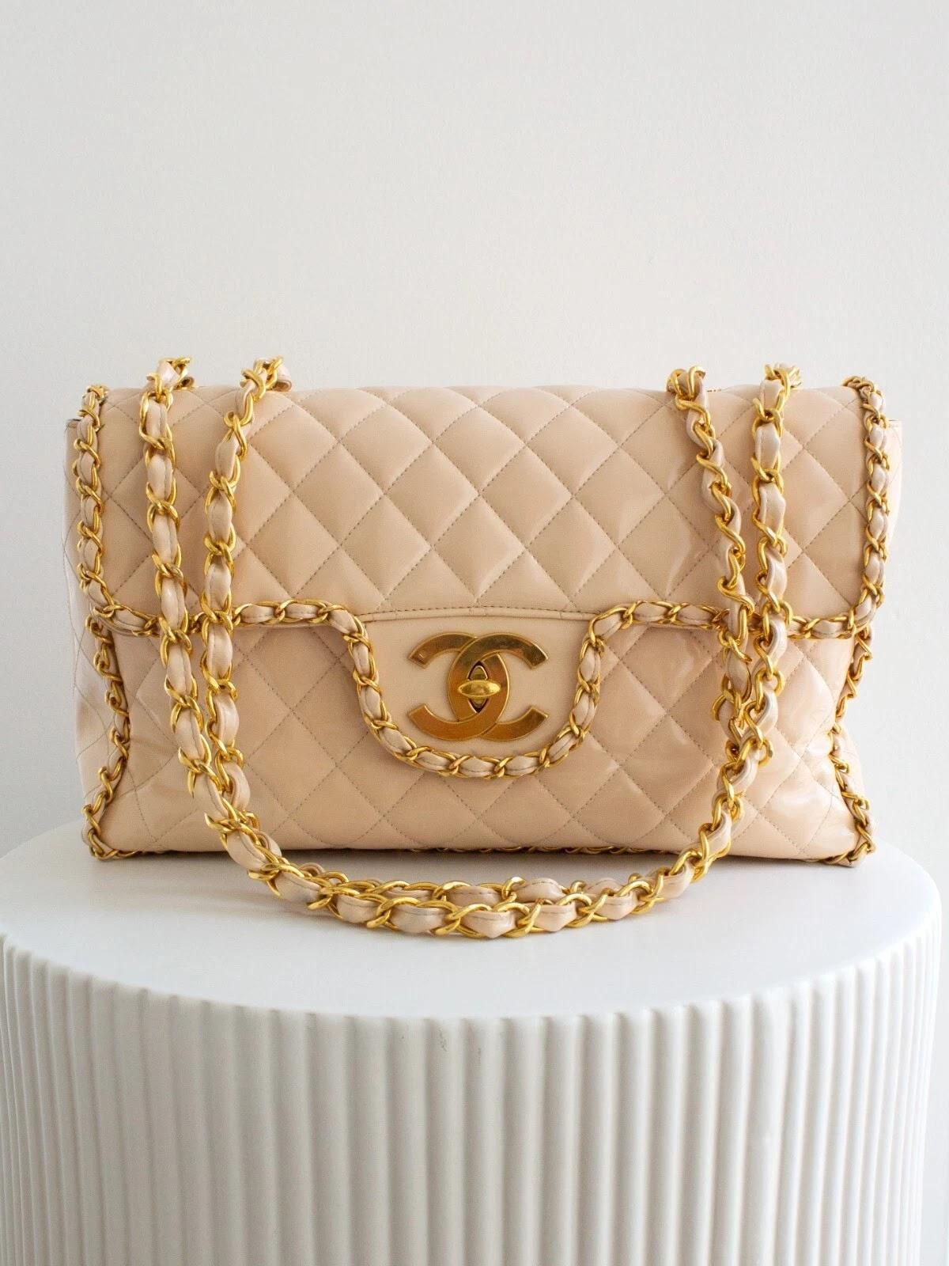 |  | Stitching looks off
LX-2102 | Louis Vuitton Neverfull MM | Louis Vuitton | 1650 | Sophie Müller | ACC-002 | yes | 1205 | 1 | 0 | Marco Rossi | ACC-102 | yes | 980 | 3 | 0 | UPS | UP192837465 | 2026-02-15 | 2026-02-19 | 4 | 2026-02-23 | 4 | yes | 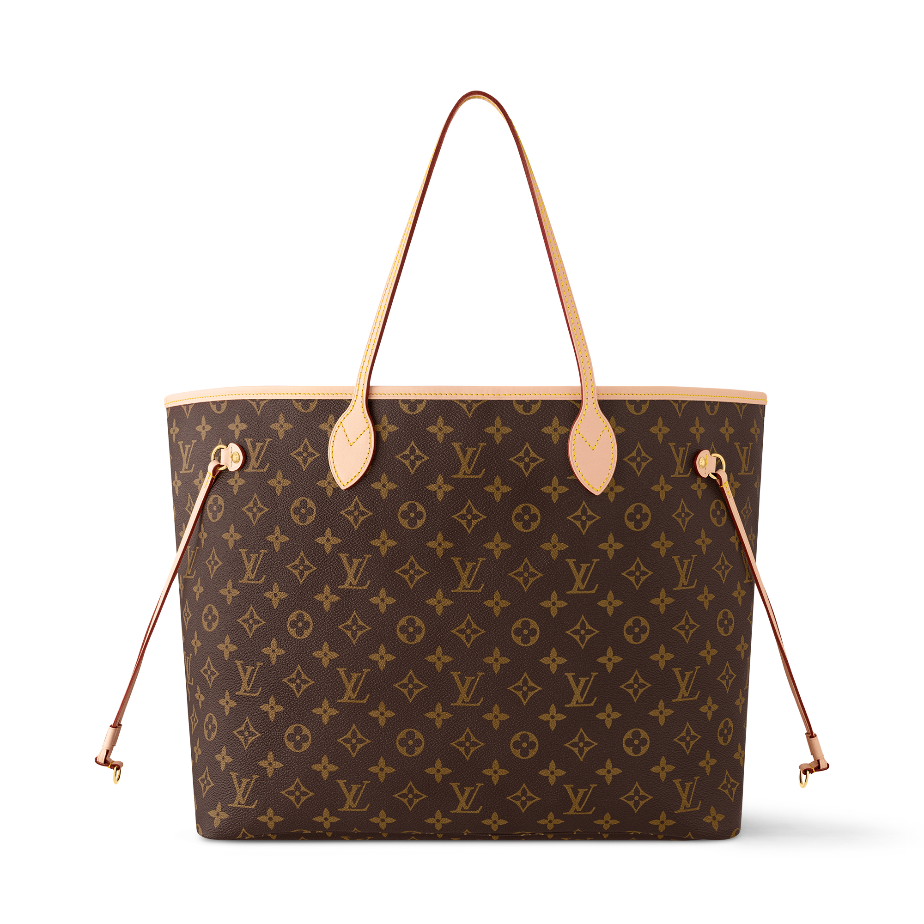 | 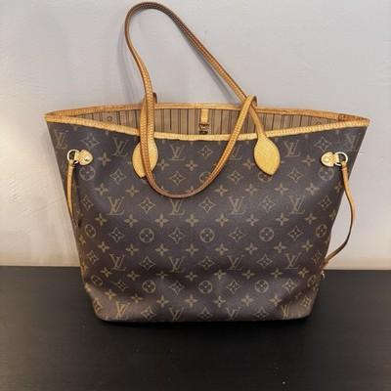 | Monogram fading suspected
LX-2103 | Hermès Birkin 30 Togo | Hermès | 18500 | Natasha Ivanova | ACC-003 | yes | 2100 | 0 | 0 | Chloe Dupont | ACC-055 | yes | 3200 | 8 | 1 | DHL | DH837261940 | 2026-01-10 | 2026-01-14 | 4 | 2026-01-18 | 4 | no | 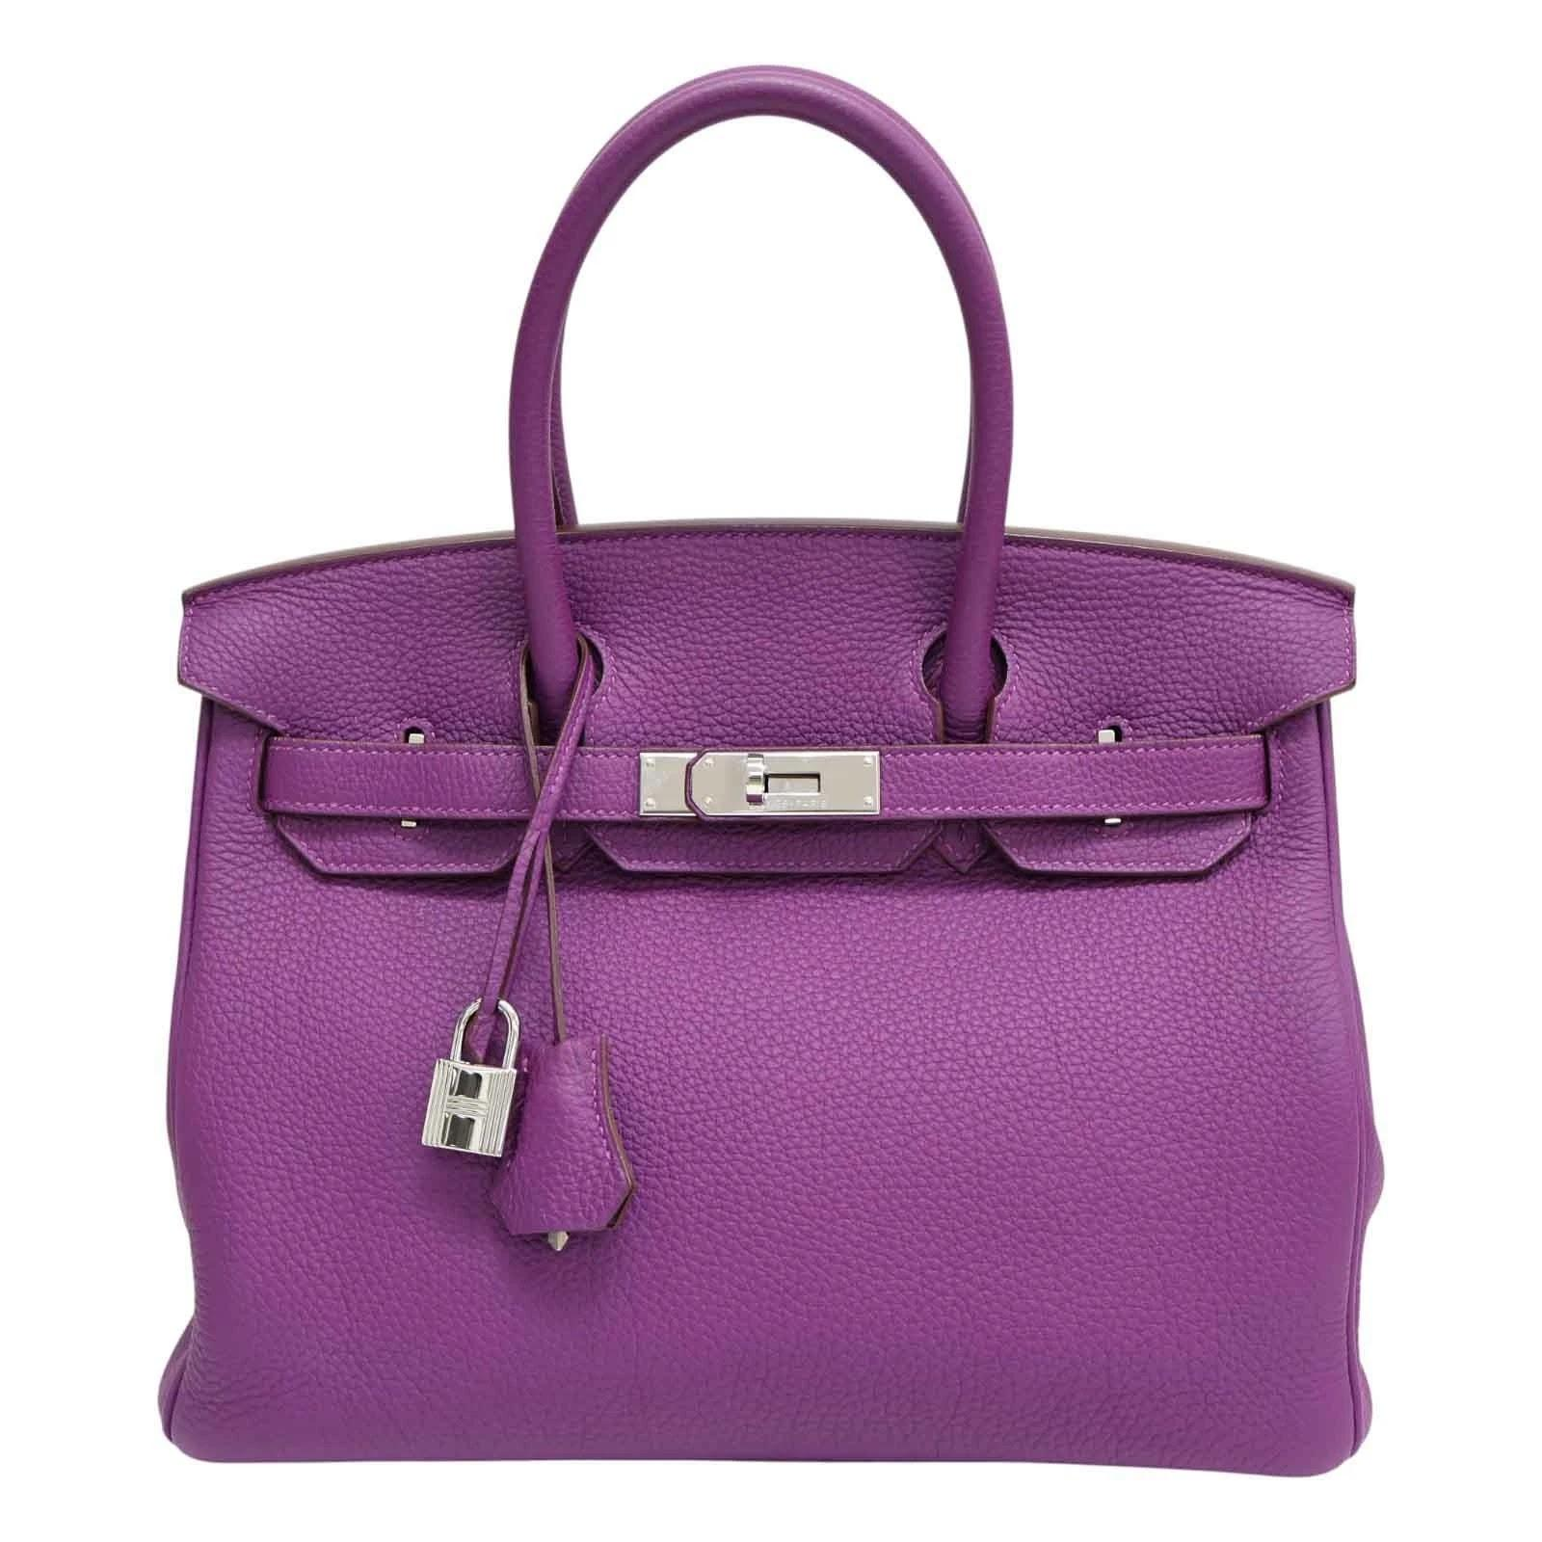 | 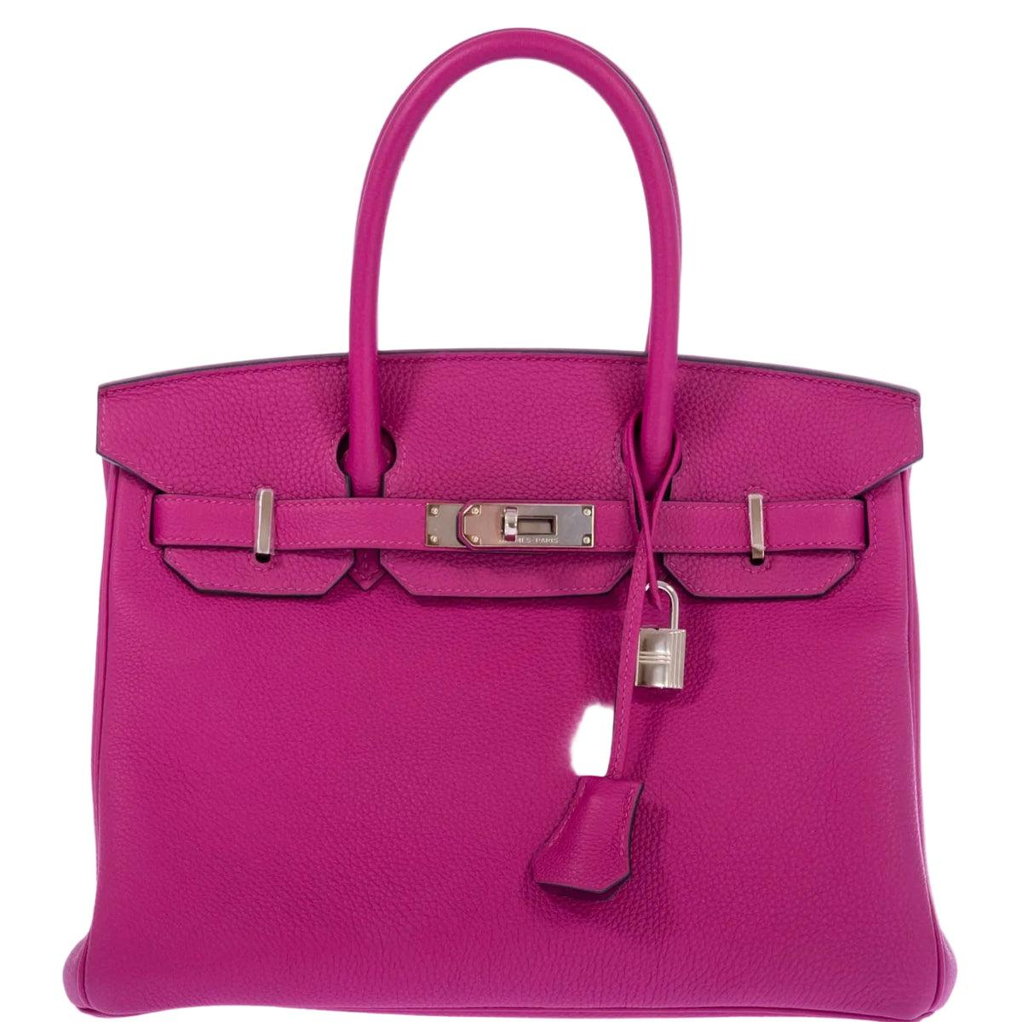 | Color is off
LX-2104 | Gucci Dionysus Shoulder Bag | Gucci | 2350 | James Whitfield | ACC-004 | yes | 560 | 3 | 1 | Yuki Tanaka | ACC-077 | no | 450 | 1 | 0 | USPS | US482910374 | 2026-02-28 | 2026-03-04 | 4 | 2026-03-07 | 3 | yes |  | 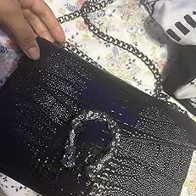 | Buyer claims wrong item received
LX-2105 | Prada Saffiano Tote | Prada | 1990 | Amira Hassan | ACC-005 | yes | 730 | 0 | 0 | Luca Ferrari | ACC-091 | yes | 1540 | 4 | 0 | FedEx | FX019283746 | 2026-03-05 | 2026-03-09 | 4 | 2026-03-12 | 3 | yes | 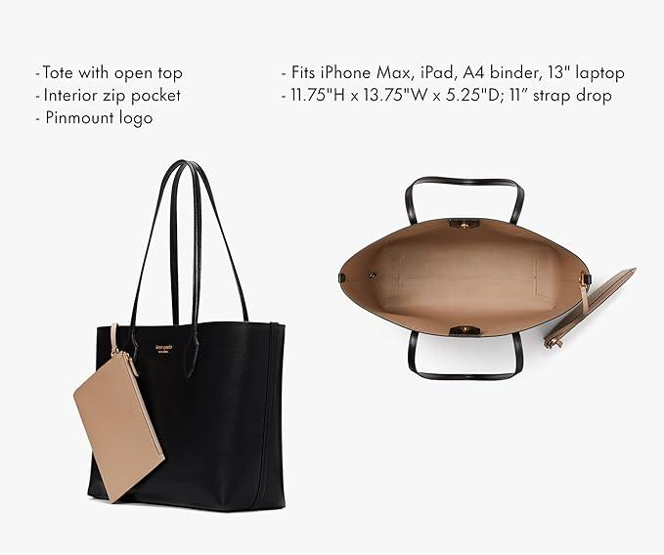 |  | Interior lining tear
LX-2106 | Rolex Submariner Date | Rolex | 14200 | Carlos Vega | ACC-006 | yes | 1890 | 1 | 0 | Anna Schmidt | ACC-033 | yes | 2750 | 6 | 0 | UPS | UP573819204 | 2026-01-20 | 2026-01-24 | 4 | 2026-01-29 | 5 | yes | 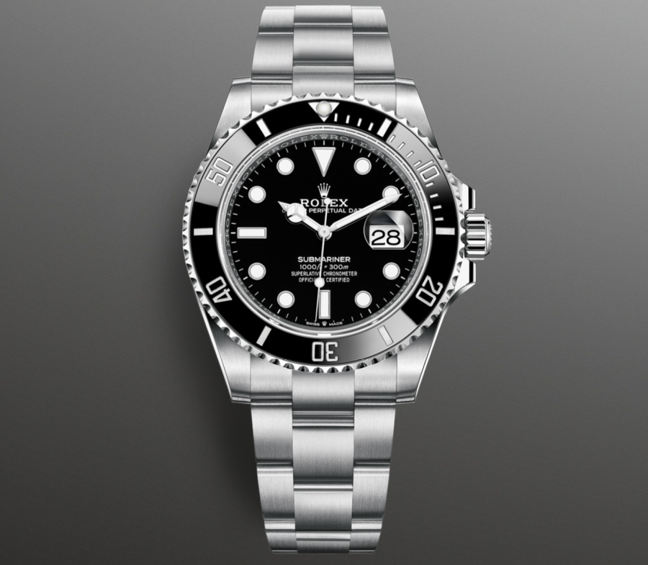 |  | Serial number mismatch alleged
LX-2107 | Bottega Veneta Cassette Bag | Bottega Veneta | 3800 | Mei Lin | ACC-007 | yes | 415 | 0 | 0 | David Park | ACC-114 | yes | 890 | 2 | 0 | DHL | DH102938475 | 2026-03-12 | 2026-03-16 | 4 | 2026-03-19 | 3 | yes |  | 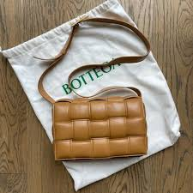 | Weave pattern inconsistency
LX-2109 | Dior Lady Dior Medium | Dior | 5500 | Priya Sharma | ACC-009 | yes | 670 | 1 | 0 | Felix Wagner | ACC-029 | yes | 2100 | 7 | 2 | USPS | US637281940 | 2026-02-20 | 2026-02-25 | 5 | 2026-03-01 | 4 | yes | 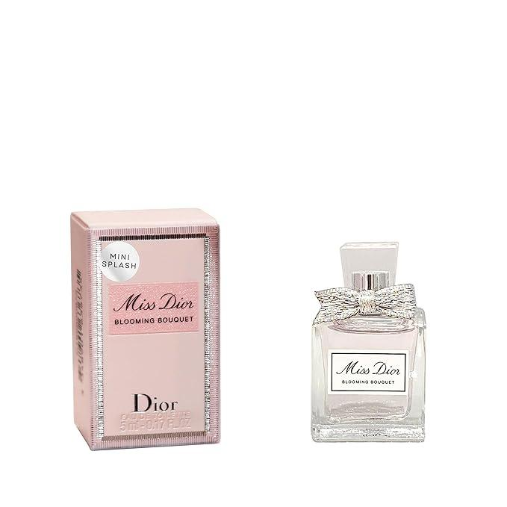 | 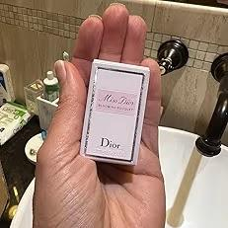 | Stitching color variation
LX-2110 | Balenciaga City Bag | Balenciaga | 1650 | Noah Jensen | ACC-010 | yes | 320 | 0 | 0 | Camille Lefebvre | ACC-081 | yes | 760 | 2 | 0 | UPS | UP920173648 | 2026-03-03 | 2026-03-07 | 4 | 2026-03-10 | 3 | yes | 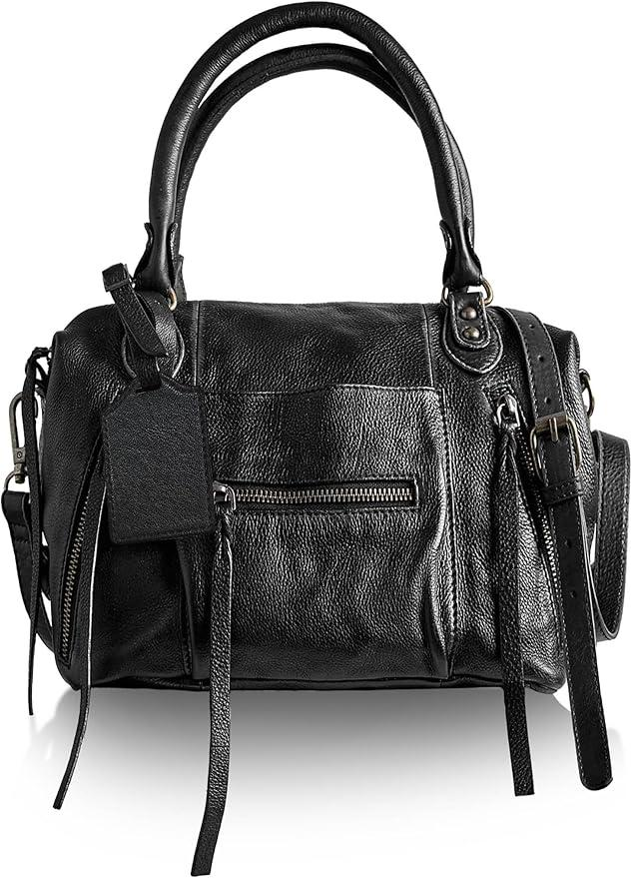 | 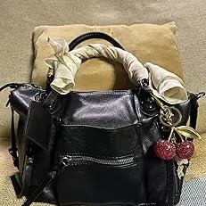 | Leather texture differs from listing
LX-2111 | Celine Luggage Tote Mini | Celine | 3200 | Fatima Al-Rashid | ACC-011 | yes | 985 | 1 | 0 | Hugo Bernard | ACC-047 | yes | 1650 | 4 | 0 | FedEx | FX293847561 | 2026-01-25 | 2026-01-29 | 4 | 2026-02-02 | 4 | yes | 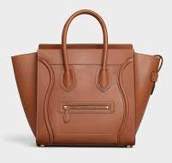 | 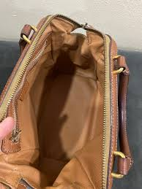 | Zipper pull missing
LX-2112 | Cartier Love Bracelet | Cartier | 7400 | Oliver Harrison | ACC-012 | yes | 1430 | 0 | 0 | Mina Nakamura | ACC-093 | no | 280 | 0 | 0 | DHL | DH746182930 | 2026-03-08 | 2026-03-12 | 4 | 2026-03-15 | 3 | no |  |  | Engraving not as described
LX-2113 | Fendi Baguette Bag | Fendi | 2800 | Zoe Andersson | ACC-013 | yes | 810 | 2 | 1 | Rafael Morales | ACC-039 | yes | 1980 | 5 | 1 | FedEx | FX384756192 | 2026-02-05 | 2026-02-09 | 4 | 2026-02-13 | 4 | yes | 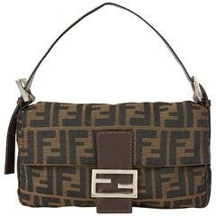 | 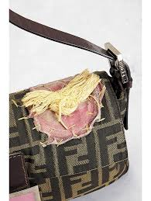 | Fendi bag torn off
LX-2116 | Tiffany T Wire Bracelet | Tiffany & Co. | 2900 | Léa Martin | ACC-016 | yes | 740 | 0 | 0 | Samuel Okafor | ACC-125 | yes | 1450 | 3 | 0 | DHL | DH561738290 | 2026-01-15 | 2026-01-19 | 4 | 2026-01-23 | 4 | yes | 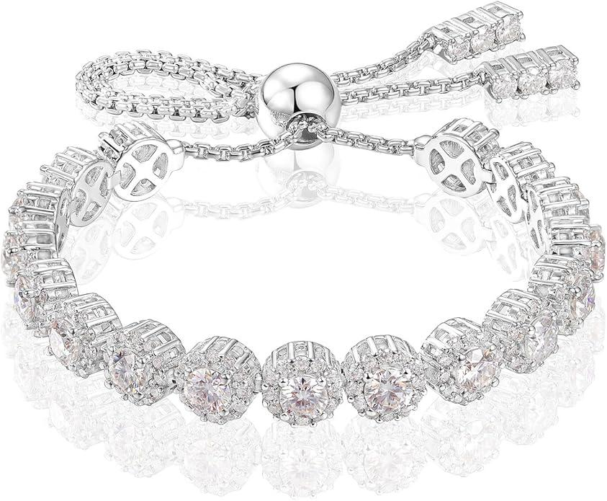 | 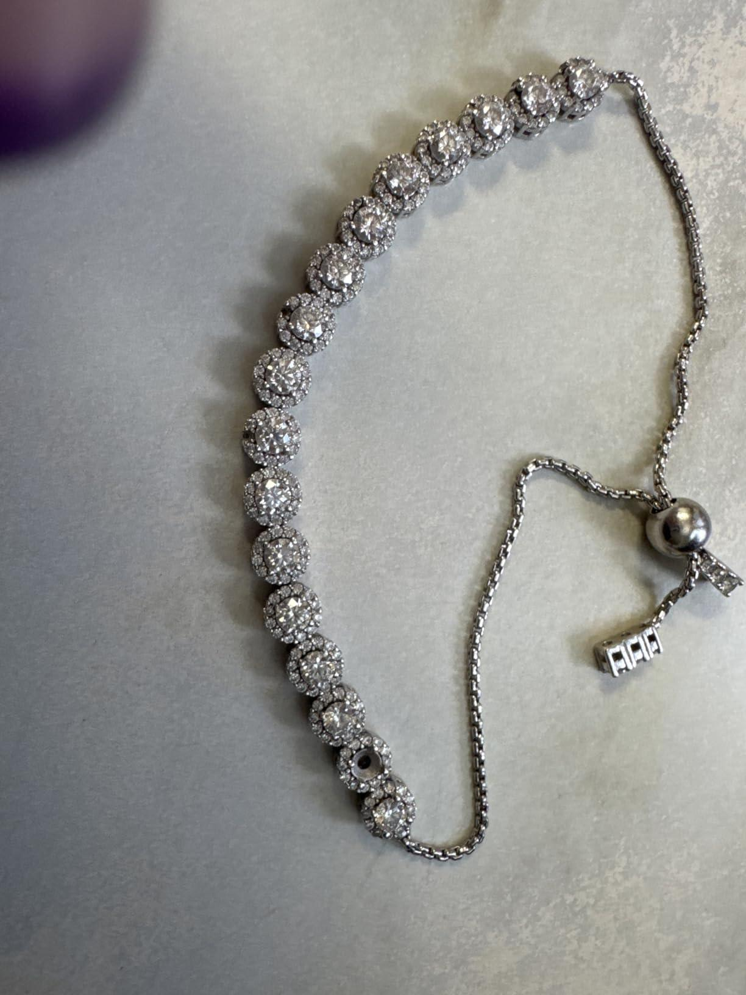 | Hallmark stamp unclear
LX-2117 | Givenchy Antigona Small | Givenchy | 2350 | Marcus Reed | ACC-017 | yes | 490 | 3 | 2 | Sara Lindqvist | ACC-018 | yes | 620 | 1 | 0 | FedEx | FX019283650 | 2026-03-18 | 2026-03-22 | 4 | 2026-03-26 | 4 | no | 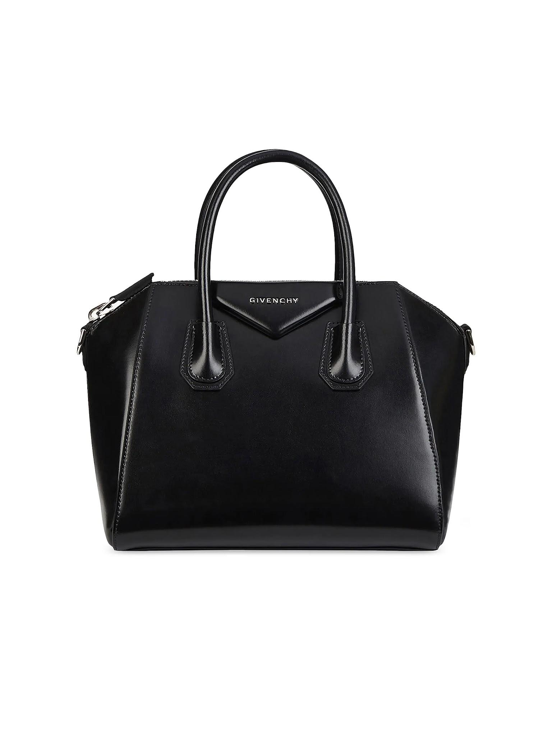 | 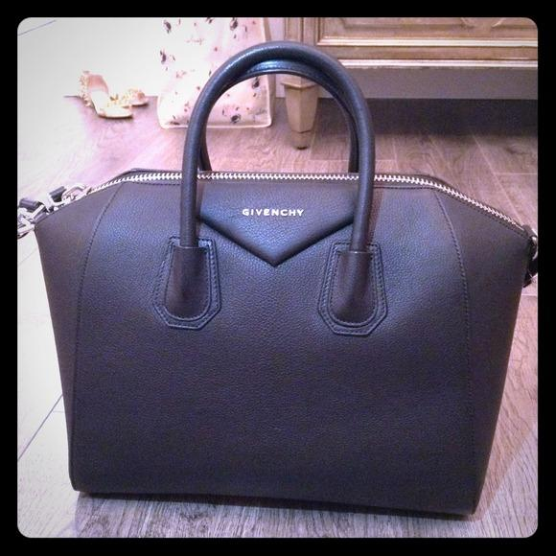 | Buyer flags possible counterfeit, dupe , not what was ordered . looks fake
LX-2118 | Omega Seamaster Aqua Terra | Omega | 6800 | Hana Suzuki | ACC-019 | yes | 1700 | 0 | 0 | Paul Leclerc | ACC-083 | yes | 2300 | 6 | 0 | UPS | UP374819265 | 2026-02-12 | 2026-02-16 | 4 | 2026-02-20 | 4 | yes | 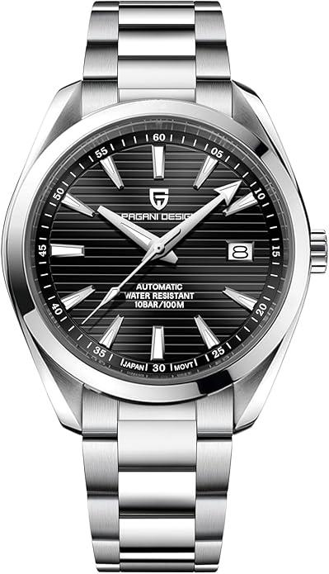 | 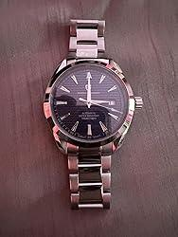 | Crown not threading correctly
LX-2120 | Van Cleef Alhambra Necklace | Van Cleef & Arpels | 6200 | Diego Ramirez | ACC-021 | yes | 2050 | 0 | 0 | Elise Fontaine | ACC-011 | yes | 3100 | 9 | 0 | FedEx | FX738291046 | 2026-01-30 | 2026-02-03 | 4 | 2026-02-07 | 4 | yes | 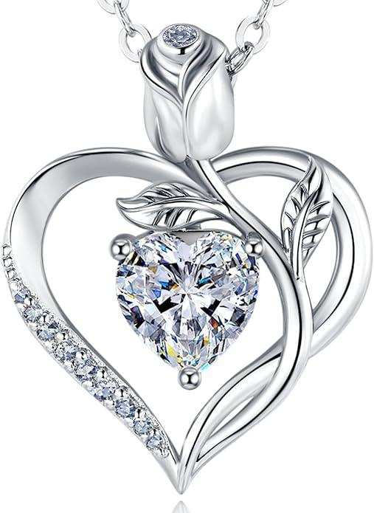 | 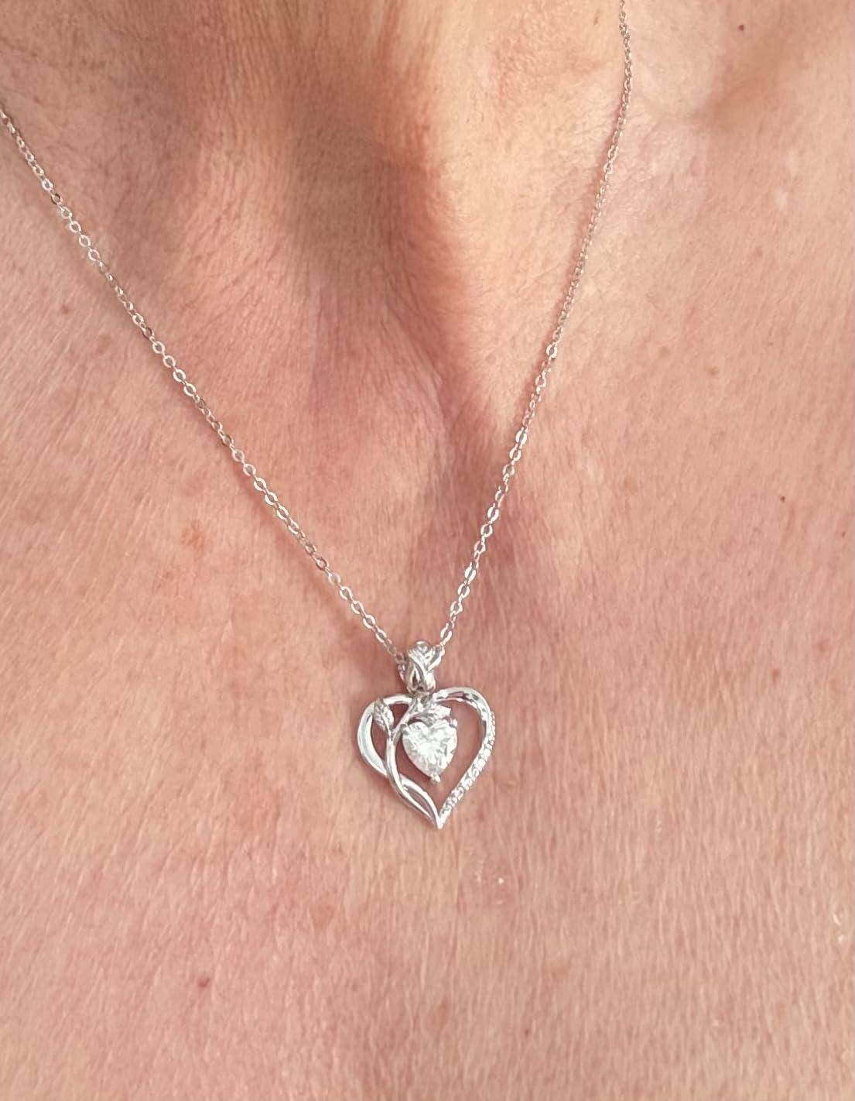 | Stone setting loose on one motif

